Bug Report
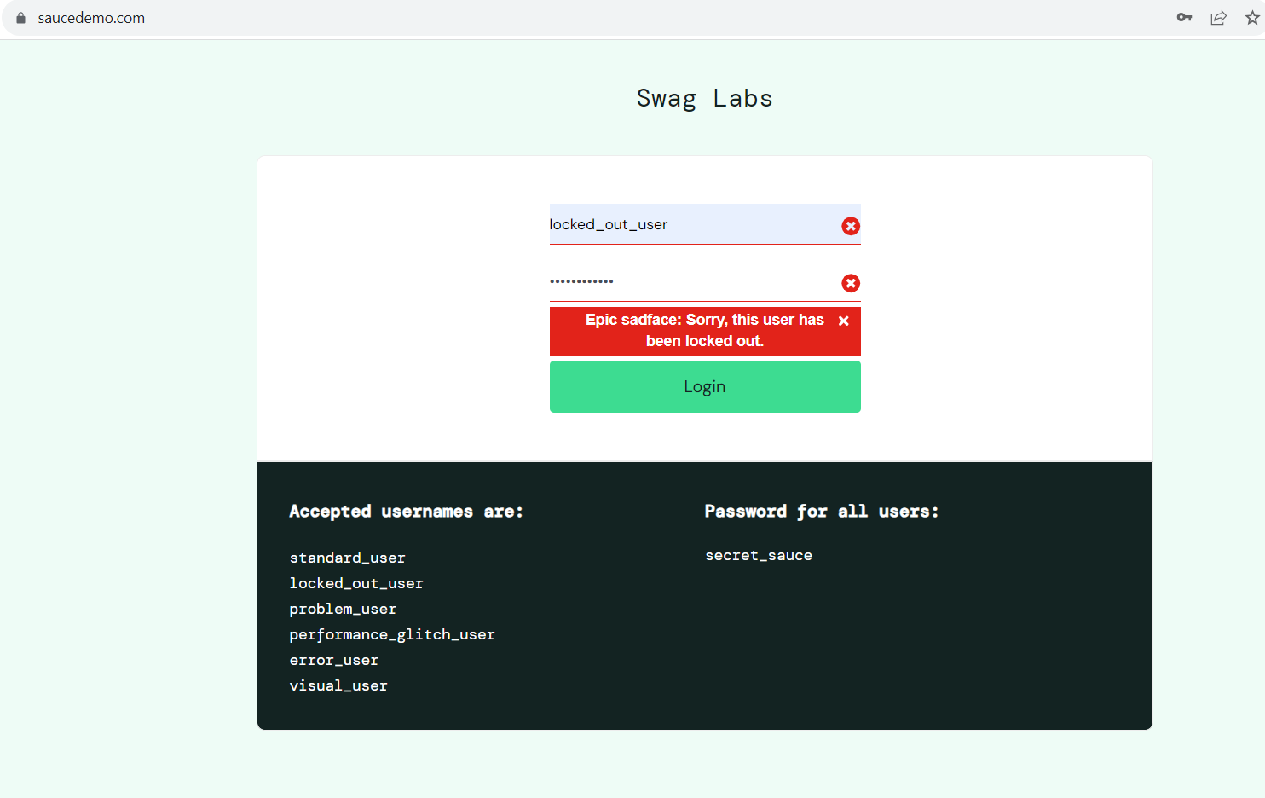
BugID:0001 Title: Login Page | User can't login with valid credentials Severity: Critical Environment: Win10 | Chrome Version 119.0.6045.105 Steps to reproduce: 1. Open homepage https://www.saucedemo.com/ 2. Enter user: locked_out_user / secret_sauce 3. Click on the Login button. Expected result: User can login with valid credentials. Actual result: User can't login with valid credentials. The error message is "Sorry, this user has been locked out.". Screenshots:

